Excel Gantt Chart Template
DotaMatch |  |  | DUARNATION (days)
START DATE | END DATE | TASK NAME
2/3/16 | 2/17/16 | Project Team Selection | 14
2/7/16 | 2/10/16 | Brainstorm | 3
2/10/16 | 2/12/16 | Outline Functions of Idea | 2
2/13/16 | 2/17/16 | Milestone 1: Project Proposal | 4
2/17/16 | 2/20/16 | Outline Requirements | 3
2/20/16 | 3/7/16 | Systems Requirements Specificiation (SRS) Version 1.0 | 17
3/7/16 | 3/10/16 | Review SRS Version 1.0 | 3
3/10/16 | 3/23/16 | Milestone 2: Systems Requirements Specificiation (SRS) Version 2.0 | 13
3/23/16 | 4/6/16 | Milestone 3: Software Project Management Plan (SPMP) Version 1.0 | 13
4/6/16 | 4/11/16 | Milestone 4: Software Analysis Specification (SAS) Version 1.0 | 5
4/11/16 | 4/25/16 | Milestone 5: Software Design Document (SDD) Version 1.0 | 14
5/2/16 | 5/9/16 | Oral Presentation | 7

Excel Timeline Template
Excel Timeline Template

Enter Your Project Details Here
DATE | DESCRIPTION | POSITION
5/10/15 | Kick Off | 1
6/7/15 | Milestone 1 | 2
7/21/15 | Milestone 2 | 1
8/1/15 | Checkpoint A | 4
9/20/15 | Milestone 3 | 3
10/30/15 | Milestone 4 | 2
12/20/15 | Checkpoint B | 3
1/30/16 | Milestone 5 | 4
2/10/16 | Milestone 6 | 1
3/30/16 | Milestone 7 | 2 |  |  | `
5/20/16 | Checkpoint C | 3
5/30/16 | Sign Off | 1

Make beautiful timelines in PowerPoint for important meetings. |  |  |  | Download #1 Free timeline add-in for PowerPoint

 |  |  |  | www.officetimeline.com

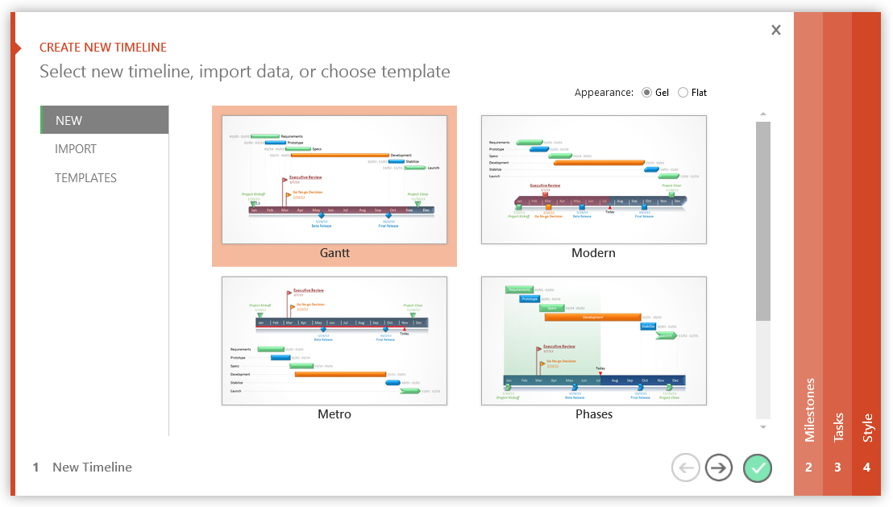

 |  |  | Project Milestone Update

3 Easy steps to instantly turn Excel data into a PowerPoint slide
1. Download Office Timeline Plus Edition for PowerPoint.
2. Open PowerPoint and click on NEW Timeline from the Office Timeline tab inside of PowerPoint. Copy your Excel table paste it into Office Timeline Plus.
3. Click the green check mark to instantly produce you timeline slide.

 |  | https://www.officetimeline.com/download

